Dynamic Range Highlight
Weekly Sales Activity from January 3, 2018 to June 30, 2018
 |  | Step 1 | Step 2 |  | Step 3 | Step 4 |  |  |  |  | Step 5
Data & Chart Formulas
Week | Sales Volume ($millions) | Range Test | Line 2 | Line 3 | Values | Data Point for Range Label | Range Label
1 | $4,125
2 | $5,239
3 | $5,480 |  |  |  |  |  |  | Graph Drivers
4 | $6,301 |  |  |  |  |  |  | Max | 21,211
5 | $9,616 |  |  |  |  |  |  | Bar Height | 22,000
6 | $13,510 |  |  |  |  |  |  | Begin | 1
7 | $9,792 |  |  |  |  |  |  | Highlight Range | 3
8 | $13,083 |  |  |  |  |  |  | Interval Entry | 5
9 | $21,211 |  |  |  |  |  |  | Start Interval | 5
10 | $3,099 |  |  |  |  |  |  | End | 22
11 | $6,275
12 | $3,176
13 | $7,350 |  |  |  |  |  |  | Range Titles
14 | $8,633 |  |  |  |  |  |  | Min | $0 | Min: $0
15 | $2,912 |  |  |  |  |  |  | Max | $0 | Max: $0
16 | $3,083
17 | $5,277 |  |  |  |  |  |  | Chart Title
18 | $4,974 |  |  |  |  |  |  | Weekly Sales Activity from January 3, 2018 to June 30, 2018
19 | $6,079
20 | $4,718
21 | $8,301
22 | $2,942
 |  | Step 1 | Step 2 |  | Step 3 | Step 4
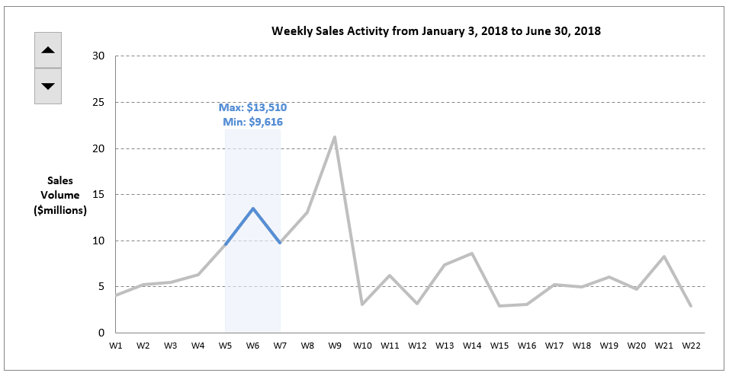
Format of Completed Chart

Step 1 - Plotted Weeks
Create a series in column C of True/False values to determine what weeks will be highlighted, using the inputs from cells L10 and L12.

Step 2 - Series for Highlights
Create the series in columns D and E for the blue line and blue highlight box.

Step 3 - Series for Min/Max Formulas
Create the series in column F for the min/max calculations in cells L17 and L18.

Step 4 - Series for the Min/Max Label
Create series in column G and H to plot the label of Min/Max centered and on top of the blue highlight box.
The series in column G is used to plot the height of the label, and the series in column H to plot the text of the label.

Step 5 - Plot the series
Plot the data in columns D, E, G and H to add the blue line, blue box highlight, and blue Min/Max label to the existing chart.

Check - Your completed graph should look similar to the completed version for the preset inputs of 3 week interval (cell L10), and week 5 start (L11).

